Incident report ID 2
BUG ID | 2
Project Name | Arduino Ping Pong
Module Name | Display
Level or phase | System Test
Defect Type | Functional
Severity | Medium
Priority
Summary | check if, when initializing the system, the following message is displayed : "Let's Start the ping pong game. Press a button"
Description | 1. open the application 2. verify if the message displayed on the screen is "Let's Start the ping pong game. Press a button"
Expected behavior | When initializing the system, the following message should be displayed : "Let's Start the ping pong game. Press a button"
Observed behavior | 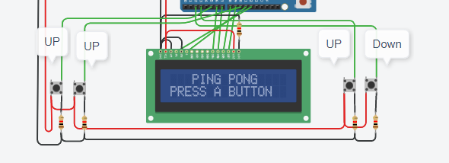 The message displayed, "Ping Pong Press a button", is different than the message specified in the requirement.
Test case name | message at initializing the system
Test case ID | 3
Req ID | 3
Status | Open

Incident report ID 4
BUG ID | 4
Project Name | Arduino Ping Pong
Module Name | Display
Level or phase | Module test
Defect Type | Functional
Severity | Medium
Priority
Summary | check if the instruction in the code specifies that the delay for displaying the message at the end of the game is of 3000ms
Description | 1. check the code in order to see the delay specified for displaying the message at the end of the game
Expected behavior | the instruction in the code should specify that the delay for displaying the message at the end of the game is of 3000ms
Observed behavior | 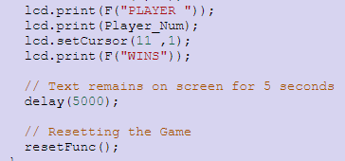 the delay specified in the code for displaying the message at the end of the game is of 5000ms instead of 3000ms
Test case name | the instruction in the code specifies a delay of 5000ms for displaying the message at the end of the game
Test case ID | 10
Req ID | 8
Status | Open

